3.6 Smoke layer thickness
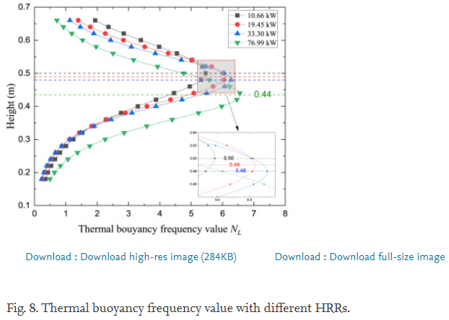
1. Smoke layer thickness in a mechanical ventilation with multiple extraction (2017 Fengzhu Mei)
Tunnel information
Scale | 1:20
Length | 8
Width | 0.34
Height | 0.44
Fire source | Propane gas burner
Fire size [kW] | 1.5 | 3 | 4.5

HRR | 1.5 | 3 | 4.5
Thickness | 0.05 | 0.06 | 0.07 | Integral ratio
 | 0.0521656 | 0.0650955 | 0.0722293 | Visual value
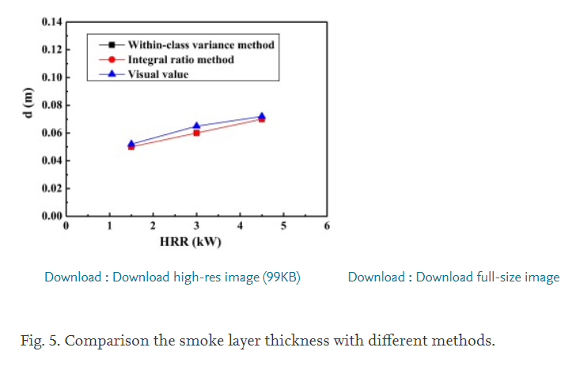
 | 0.0494904 | 0.0601911 | 0.0695541 | Within-class variance method

2. Smoke layer thickness in middle scale tunnel (2016 Z. H. Gao)
Tunnel information
Scale | 1:20 |  |  |  |  |  | Test No. | Ambient temp. [o] | Pool size [cm] | Experiments condition
Length | 6 |  |  |  |  |  | Case 1 | 16 | 10 x 15 | Without smoke exhaust
Width | 2 |  |  |  |  |  | Case 2 | 15 | 15 x 20 | Without smoke exhaust
Height | 0.9 |  |  |  |  |  | Case 3 | 15 | 10 x 15 | Natural smoke exhaust
Fire source | Heptane |  |  |  |  |  | Case 4 | 17 | 15 x 20 | Natural smoke exhaust
Fire size [kW] | 82 | 128
Smoke layer thickness discriminant way |  |  |  |  | Integral ratio

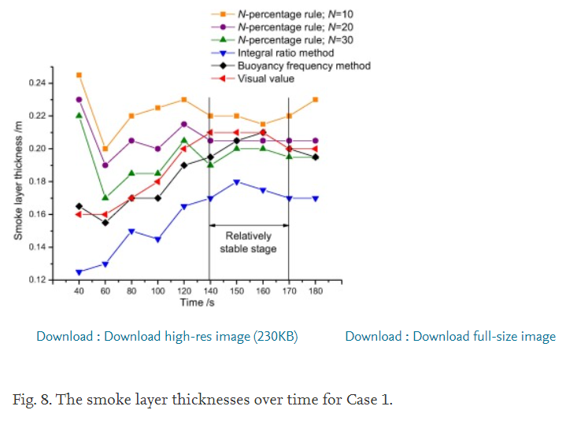
N=10 | Time [s] | 40 | 60 | 80 | 100 | 120 | 140 | 150 | 160 | 170 | 180
 | Thickness [m] | 0.245091 | 0.199734 | 0.22041 | 0.224995 | 0.229985 | 0.22136 | 0.220163 | 0.215254 | 0.22107 | 0.230604
N =20 | Time [s] | 40 | 60 | 80 | 100 | 120 | 140 | 150 | 160 | 170 | 180
 | Thickness [m] | 0.229821 | 0.190244 | 0.204728 | 0.200229 | 0.214304 | 0.205677 | 0.204893 | 0.204936 | 0.205388 | 0.205429
N =30 | Time [s] | 40 | 60 | 80 | 100 | 120 | 140 | 150 | 160 | 170 | 180
 | Thickness [m] | 0.220328 | 0.170021 | 0.184093 | 0.185372 | 0.204813 | 0.189582 | 0.199529 | 0.201221 | 0.195896 | 0.195524
Integral ratio | Time [s] | 40 | 60 | 80 | 100 | 120 | 140 | 150 | 160 | 170 | 180
 | Thickness [m] | 0.124582 | 0.129575 | 0.14984 | 0.14534 | 0.165191 | 0.1706 | 0.179718 | 0.175631 | 0.171135 | 0.170351
Buoyancy frequency method | Time [s] | 40 | 60 | 80 | 100 | 120 | 140 | 150 | 160 | 170 | 180
 | Thickness [m] | 0.165852 | 0.155576 | 0.170473 | 0.170103 | 0.190366 | 0.195359 | 0.206133 | 0.211125 | 0.200849 | 0.195527
Visual value | Time [s] | 40 | 60 | 80 | 100 | 120 | 140 | 150 | 160 | 170 | 180
 | Thickness [m] | 0.160075 | 0.160116 | 0.169648 | 0.18042 | 0.200268 | 0.209804 | 0.210259 | 0.210712 | 0.200024 | 0.200477

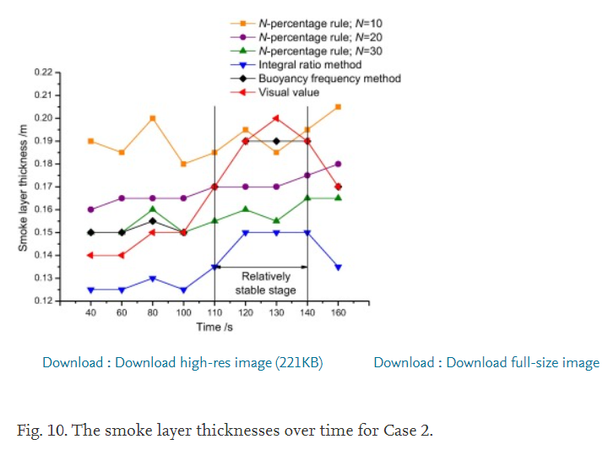

N=10 | Time [s] | 40 | 60 | 80 | 100 | 110 | 120 | 130 | 140 | 160
 | Thickness [m] | 0.189745 | 0.184968 | 0.200255 | 0.179873 | 0.184968 | 0.194841 | 0.185287 | 0.195159 | 0.205032
N =20 | Time [s] | 40 | 60 | 80 | 100 | 110 | 120 | 130 | 140 | 160
 | Thickness [m] | 0.159809 | 0.164904 | 0.165223 | 0.164904 | 0.17 | 0.17 | 0.170318 | 0.174777 | 0.179554
N =30 | Time [s] | 40 | 60 | 80 | 100 | 110 | 130 | 140 | 160
 | Thickness [m] | 0.150255 | 0.150255 | 0.159809 | 0.154713 | 0.15949 | 0.154713 | 0.164586 | 0.164904
Integral ratio | Time [s] | 40 | 60 | 80 | 100 | 110 | 120 | 130 | 140 | 160
 | Thickness [m] | 0.125096 | 0.124777 | 0.130191 | 0.124777 | 0.135287 | 0.149936 | 0.150255 | 0.149618 | 0.13465
Buoyancy frequency method | Time [s] | 40 | 60 | 80 | 100 | 110 | 120 | 130 | 160
 | Thickness [m] | 0.149936 | 0.149936 | 0.15535 | 0.169682 | 0.190382 | 0.190064 | 0.190064 | 0.17
Visual value | Time [s] | 40 | 60 | 80 | 100 | 110 | 120 | 130 | 140 | 160
 | Thickness [m] | 0.140382 | 0.140382 | 0.150573 | 0.149936 | 0.170318 | 0.189745 | 0.199936 | 0.190064 | 0.169682

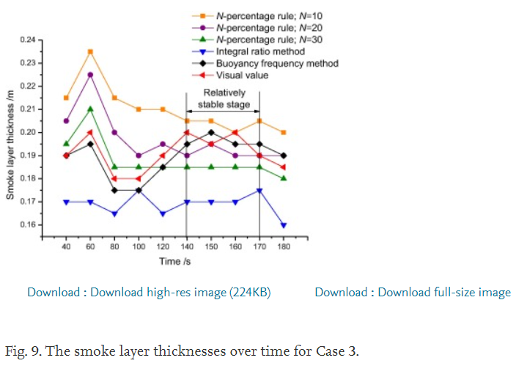

N=10 | Time [s] | 40 | 60 | 80 | 100 | 120 | 140 | 150 | 160 | 170 | 180
 | Thickness [m] | 0.214663 | 0.234824 | 0.214936 | 0.210304 | 0.20976 | 0.204856 | 0.205128 | 0.199952 | 0.204856 | 0.200497
N =20 | Time [s] | 40 | 60 | 80 | 100 | 120 | 140 | 150 | 160 | 170 | 180
 | Thickness [m] | 0.204856 | 0.224199 | 0.200497 | 0.190144 | 0.194776 | 0.190144 | 0.195321 | 0.190144 | 0.190144 | 0.189599
N =30 | Time [s] | 40 | 60 | 80 | 100 | 120 | 140 | 150 | 160 | 170 | 180
 | Thickness [m] | 0.195048 | 0.20976 | 0.185513 | 0.184696 | 0.184696 | 0.184696 | 0.184968 | 0.184968 | 0.184968 | 0.179792
Integral ratio | Time [s] | 40 | 60 | 80 | 100 | 120 | 140 | 150 | 160 | 170 | 180
 | Thickness [m] | 0.170256 | 0.169712 | 0.165625 | 0.175433 | 0.164535 | 0.169439 | 0.169984 | 0.170256 | 0.17516 | 0.160176
Buoyancy frequency method | Time [s] | 40 | 60 | 80 | 100 | 120 | 140 | 150 | 160 | 170 | 180
 | Thickness [m] | 0.1823 | 0.195048 | 0.17516 | 0.175433 | 0.18524 | 0.195865 | 0.200224 | 0.195321 | 0.195321 | 0.190144
Visual value | Time [s] | 40 | 60 | 80 | 100 | 120 | 140 | 150 | 160 | 170 | 180
 | Thickness [m] | 0.19 | 0.199407 | 0.180337 | 0.180609 | 0.190417 | 0.200224 | 0.195593 | 0.199952 | 0.189872 | 0.184968

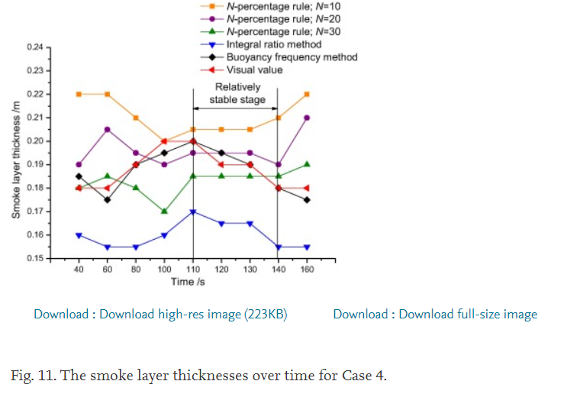

N=10 | Time [s] | 40 | 60 | 80 | 100 | 110 | 120 | 130 | 140 | 160
 | Thickness [m] | 0.219876 | 0.219876 | 0.210373 | 0.200031 | 0.205062 | 0.205062 | 0.204783 | 0.210373 | 0.219876
N =20 | Time [s] | 40 | 60 | 80 | 100 | 110 | 120 | 130 | 140 | 160
 | Thickness [m] | 0.190248 | 0.204783 | 0.19528 | 0.190528 | 0.195 | 0.194441 | 0.19528 | 0.190248 | 0.209814
N =30 | Time [s] | 40 | 60 | 80 | 100 | 110 | 120 | 130 | 140 | 160
 | Thickness [m] | 0.180186 | 0.185217 | 0.179907 | 0.170404 | 0.184379 | 0.185217 | 0.184938 | 0.185217 | 0.189969
Integral ratio | Time [s] | 40 | 60 | 80 | 100 | 110 | 120 | 130 | 140 | 160
 | Thickness [m] | 0.160062 | 0.155311 | 0.155031 | 0.160062 | 0.170404 | 0.164534 | 0.164534 | 0.155031 | 0.155031
Buoyancy frequency method | Time [s] | 40 | 60 | 80 | 100 | 110 | 120 | 130 | 140 | 160
 | Thickness [m] | 0.185217 | 0.175435 | 0.189969 | 0.19472 | 0.200311 | 0.19528 | 0.189689 | 0.180186 | 0.175155
Visual value | Time [s] | 40 | 60 | 80 | 100 | 110 | 120 | 130 | 140 | 160
 | Thickness [m] | 0.180466 | 0.179627 | 0.190248 | 0.200311 | 0.20059 | 0.189969 | 0.190248 | 0.180186 | 0.179907

3. Smoke layer thickness considering vertical shatfs (2019 Shengzhong Zhao)
Tunnel information
Scale
Length
Width
Height
Fire source
Fire size [kW]
Smoke layer thickness discriminant way

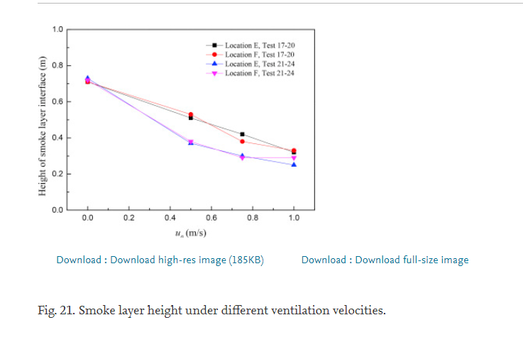

u | Q | Smoke layer thickness
0 | 79.4 | 0.704846
0.5 | 51.8 | 0.511013
0.75 | 49.2 | 0.420705
1 | 57.4 | 0.317181
0 | 79.4 | 0.709251
0.5 | 51.8 | 0.530837
0.75 | 49.2 | 0.381057
1 | 57.4 | 0.330396
0 | 33.9 | 0.735683
0.5 | 30.3 | 0.370044
0.75 | 29.9 | 0.306167
1 | 41 | 0.246696
0 | 33.9 | 0.720264
0.5 | 30.3 | 0.381057
0.75 | 29.9 | 0.290749
1 | 41 | 0.290749

4. Smoke layer thickness in full scale immersed tunnel (2018 P. Xu)
Tunnel information
Scale | Real scale
Length | 150
Width | 14.5
Height | 7.1
Fire source | Oil pan
Fire size [kW] | 5000 | 50000
Smoke layer thickness discriminant way |  |  |  |  | measurement

Ventilation speed | HRR | Distance | Height
3 | 25000 | 4.97918 | 0.998669
 |  | 9.94752 | 1.51593
 |  | 14.7705 | 1.88854
 |  | 20.965 | 1.99276
 |  | 23.9888 | 1.99321
 |  | 35.7805 | 2.01561
 |  | 38.8051 | 1.9954
 |  | 41.8363 | 1.80989
 |  | 44.8605 | 1.80001
 |  | 56.9633 | 1.60551
 |  | 59.6889 | 1.50261
 |  | 62.7164 | 1.41008
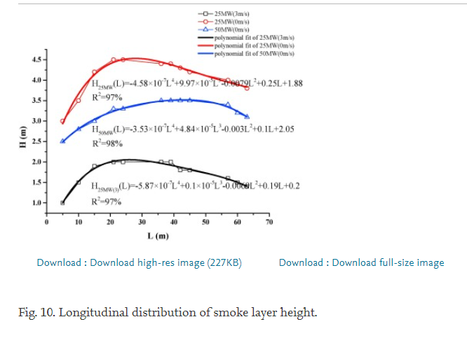
0 | 25000 | 4.97918 | 2.50692
 |  | 9.94752 | 2.81755
 |  | 14.7705 | 3.00428
 |  | 20.965 | 3.31502
 |  | 23.9888 | 3.29485
 |  | 35.7805 | 3.52387
 |  | 38.8051 | 3.50363
 |  | 41.8363 | 3.5041
 |  | 44.8605 | 3.49419
 |  | 56.9633 | 3.42369
 |  | 59.6889 | 3.21752
 |  | 62.7164 | 3.11464
0 | 50000 | 4.97918 | 3.02345
 |  | 9.94752 | 3.49939
 |  | 14.7705 | 4.2026
 |  | 20.965 | 4.4824
 |  | 23.9888 | 4.49319
 |  | 35.7805 | 4.41227
 |  | 38.8051 | 4.43342
 |  | 41.8363 | 4.32021
 |  | 44.8605 | 4.207
 |  | 56.9633 | 4.01252
 |  | 59.6889 | 3.90962
 |  | 62.7164 | 3.81709

5. Smoke layer thickness with inclination effect (2012 Jialei Zhang)
Tunnel information
Scale | 1:4
Length | 3.48
Width | 0.4
Height | 0.8
Fire source | Heptane
Fire size [kW]
Smoke layer thickness discriminant way |  |  |  |  | N percent rule; N=10
Tunnel itilt |  | -10 | -5 | 0 | 5 | 10

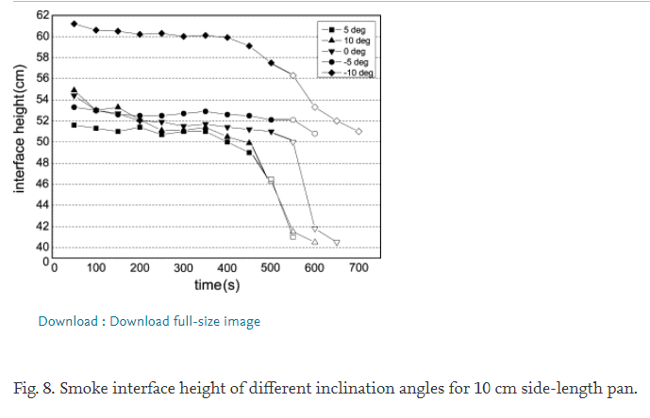
 | Degree [0]
Time | 5 | 48.0392 | 100.196 | 150.98 | 201.765 | 249.804 | 297.843 | 348.627 | 398.039 | 448.824 | 496.863 | 547.647
Thickness |  | 33.8898 | 33.1017 | 32.3136 | 33.3644 | 31.3941 | 32.3136 | 32.1822 | 29.6864 | 26.928 | 20.0975 | 5.38559
Time | 10 | 49.4118 | 149.608 | 199.02 | 248.431 | 297.843 | 348.627 | 396.667 | 448.824 | 496.863 | 547.647 | 597.059
Thickness |  | 42.9534 | 38.4873 | 35.072 | 32.7076 | 32.7076 | 33.2331 | 31 | 29.5551 | 19.3093 | 6.69915 | 4.07203
Time | 0 | 49.4118 | 150.98 | 201.765 | 248.431 | 297.843 | 347.255 | 398.039 | 446.078 | 498.235 | 546.275 | 598.431
Thickness |  | 41.3771 | 36.1229 | 35.2034 | 34.8093 | 33.7585 | 34.2839 | 33.4958 | 32.7076 | 32.1822 | 29.6864 | 7.61864
Time | -5 | 50.7843 | 100.196 | 148.235 | 201.765 | 249.804 | 297.843 | 351.373 | 398.039 | 447.451 | 498.235 | 547.647
Thickness |  | 38.4873 | 37.9619 | 36.911 | 36.2542 | 36.3856 | 36.911 | 37.3051 | 36.3856 | 36.1229 | 35.4661 | 35.2034
Time | -10 | 52.1569 | 100.196 | 152.353 | 199.02 | 247.059 | 300.588 | 348.627 | 398.039 | 448.824 | 498.235 | 547.647
Thickness |  | 59.7669 | 58.1907 | 57.928 | 57.1398 | 57.4025 | 56.4831 | 56.6144 | 56.2203 | 54.1186 | 49.7839 | 46.5

6. Smoke layer thickness with respect to shaft height and HRR (2020 Lu He)
Tunnel information
Scale | 1:10
Length | 6.00
Width | 1
Height | 0.7
Fire source | Ethanol
Fire size [kW] |  | 10.66-76.99 |  | [kW]
10.66 | 19.45 | 33.3 | 76.99

Thermal bouyancy frequency value | 0.339114 | 0.416185 | 0.508671 | 0.647399 | 0.816956 | 0.986513 | 1.24855 | 1.52601 | 1.84971 | 2.25048 | 2.74374 | 3.28324 | 3.85356 | 4.47013 | 4.94798 | 5.3025 | 5.48748 | 5.34875 | 5.02505 | 4.53179 | 3.96146 | 3.36031 | 2.83622 | 2.34297 | 1.92678
Height | 0.178689 | 0.199766 | 0.219438 | 0.240515 | 0.258782 | 0.279859 | 0.299532 | 0.319204 | 0.340281 | 0.359953 | 0.382436 | 0.399297 | 0.41897 | 0.441452 | 0.461124 | 0.479391 | 0.500468 | 0.521546 | 0.542623 | 0.562295 | 0.580562 | 0.600234 | 0.619906 | 0.639578 | 0.662061
Thermal bouyancy frequency value | 0.262042 | 0.339114 | 0.431599 | 0.554913 | 0.678227 | 0.863198 | 1.09441 | 1.4027 | 1.78805 | 2.31214 | 2.89788 | 3.57611 | 4.33141 | 5.07129 | 5.70328 | 6.04239 | 6.02697 | 5.64162 | 5.02505 | 4.25434 | 3.49904 | 2.83622 | 2.25048 | 1.75723 | 1.38728
Height | 0.178689 | 0.199766 | 0.219438 | 0.240515 | 0.258782 | 0.279859 | 0.300937 | 0.320609 | 0.340281 | 0.359953 | 0.379625 | 0.399297 | 0.41897 | 0.440047 | 0.458314 | 0.480796 | 0.500468 | 0.520141 | 0.539813 | 0.562295 | 0.579157 | 0.601639 | 0.621311 | 0.640984 | 0.660656
Thermal bouyancy frequency value | 0.2158 | 0.292871 | 0.369942 | 0.493256 | 0.647399 | 0.847784 | 1.14066 | 1.46435 | 1.89595 | 2.43545 | 3.11368 | 3.86898 | 4.70135 | 5.50289 | 6.08863 | 6.28902 | 6.07322 | 5.47206 | 4.68593 | 3.85356 | 3.08285 | 2.42004 | 1.88054 | 1.47977 | 1.12524
Height | 0.178689 | 0.199766 | 0.219438 | 0.240515 | 0.258782 | 0.278454 | 0.299532 | 0.319204 | 0.340281 | 0.361358 | 0.38103 | 0.399297 | 0.42178 | 0.441452 | 0.461124 | 0.480796 | 0.500468 | 0.520141 | 0.539813 | 0.5637 | 0.580562 | 0.600234 | 0.621311 | 0.640984 | 0.660656
Thermal bouyancy frequency value | 0.462428 | 0.61657 | 0.801541 | 1.04817 | 1.35645 | 1.77264 | 2.28131 | 2.86705 | 3.59152 | 4.39306 | 5.22543 | 5.99615 | 6.44316 | 6.56647 | 6.24277 | 5.56455 | 4.77842 | 3.91522 | 3.15992 | 2.49711 | 1.9422 | 1.54143 | 1.17148 | 0.894027 | 0.693642
Height | 0.178689 | 0.201171 | 0.219438 | 0.24192 | 0.260187 | 0.278454 | 0.298126 | 0.317799 | 0.340281 | 0.361358 | 0.379625 | 0.400703 | 0.42178 | 0.438642 | 0.459719 | 0.480796 | 0.503279 | 0.521546 | 0.541218 | 0.559485 | 0.579157 | 0.600234 | 0.621311 | 0.640984 | 0.662061

